Features and test cases
S no | Feature | BVT | Steps | Output | PowerBi | Edge | Chrome | IE
1 | Data fields | Display default text | 1. Drag either category column onto series data field or measure column onto primary measure data field | Should display default text "Please select both 'Series' and 'Primary Measure' values" | YES | YES | YES | YES
 |  | Visual should be rendered when series and primary measure fields are selected | 1. Drag category and measure columns onto series and primary measure respectively | Visual should be rendered for series and primary measure | 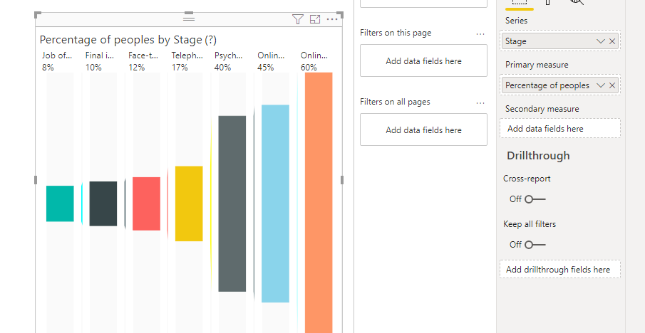 | 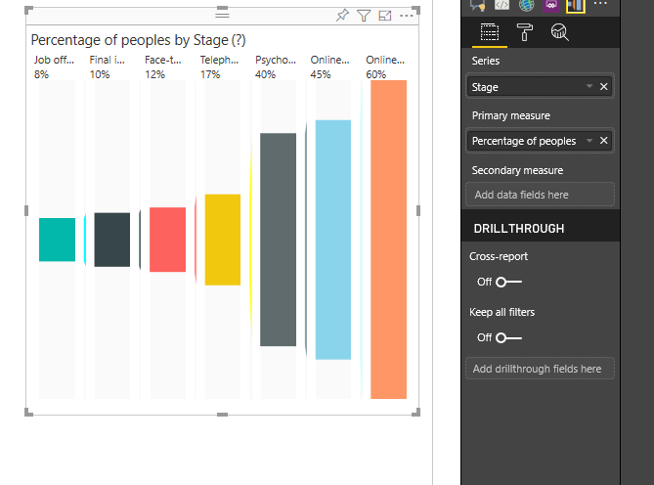 | 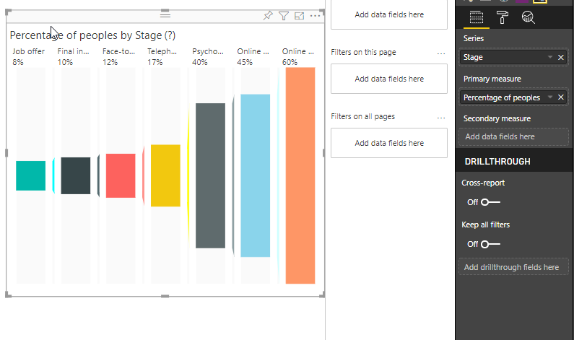 | 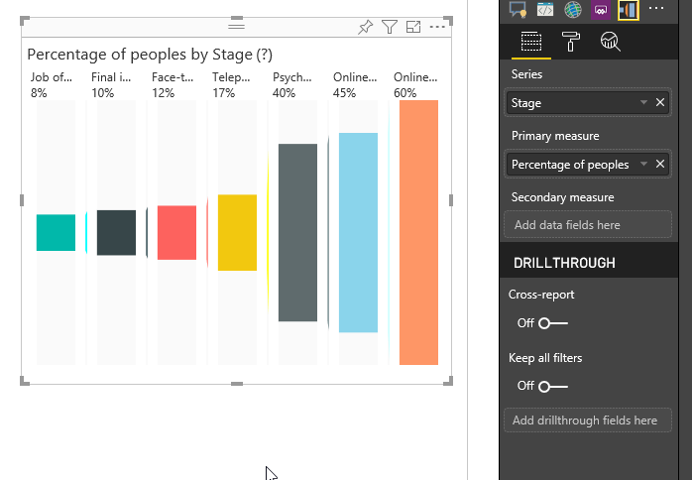
 |  | Visual should be rendered when series, primary measure and secondary measure fields are selected | 1. Drag category, measure, measure columns onto series, primary measure, secondary measure respectively | Visual should be rendered for series, primary measure and secondary measure | 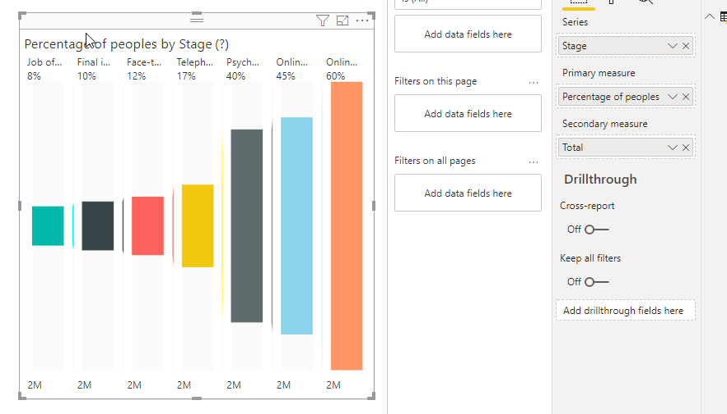 | 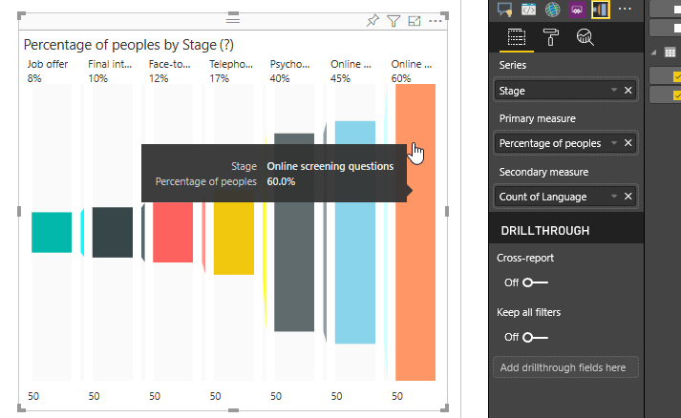 | 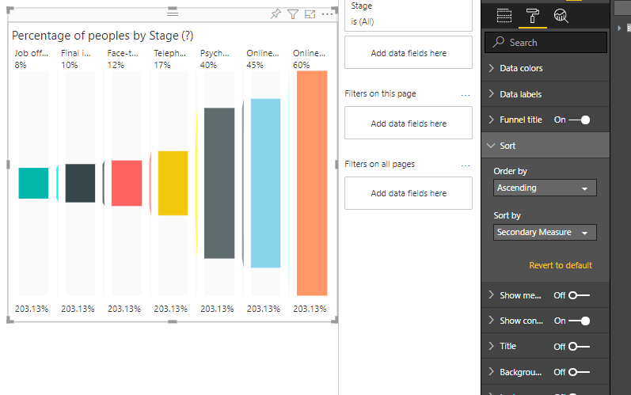 | 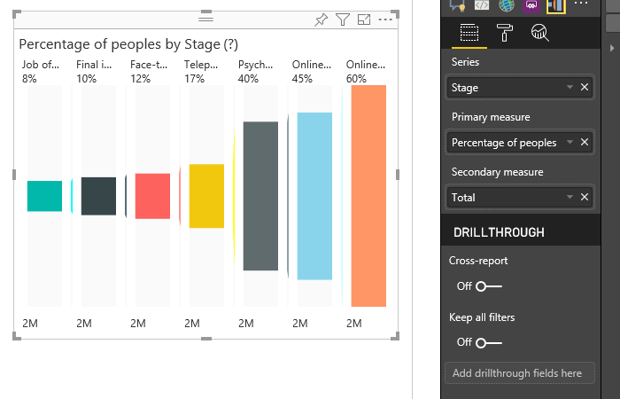
2 | Data colors | Update color of funnel section bars | 1. Go to formatting pane 2. Go to Data colors 3. Update color of first option to 'Blue' | The color of corresponding funnel section bar should be updated to 'Blue' | 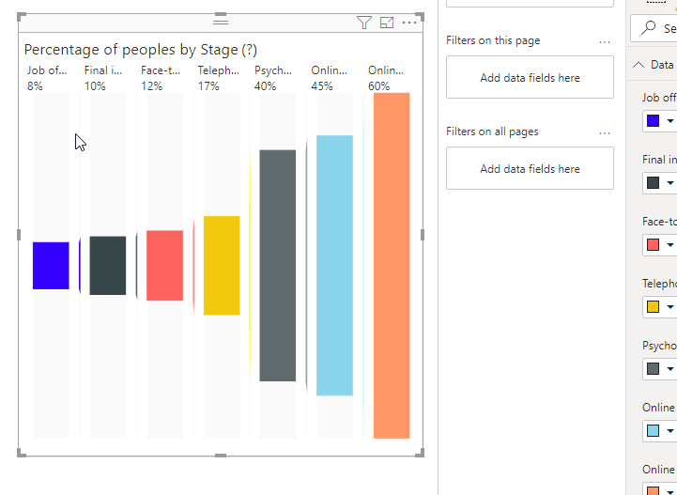 | 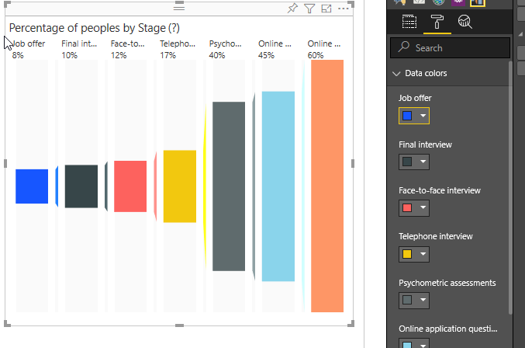 | 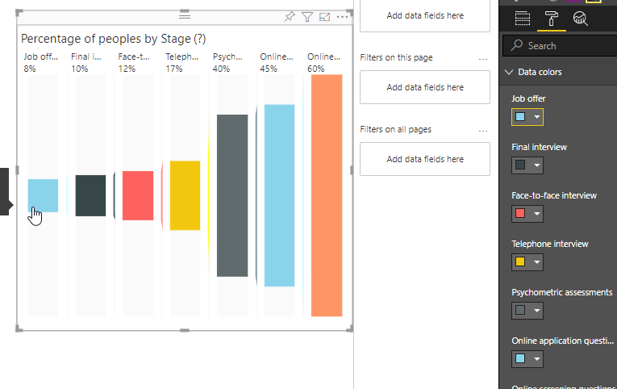 | 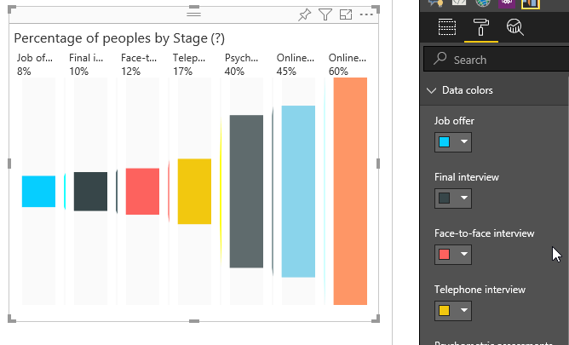
 |  | Update color of connector | 1. Go to formatting pane 2. Go to Data colors 3. Update connector color to 'Red' | Color of all the connectors should be updated to 'Red' color | 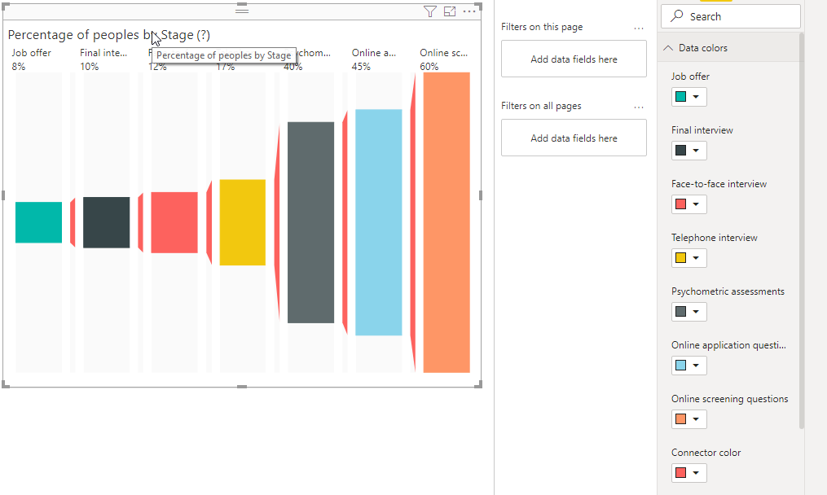 | 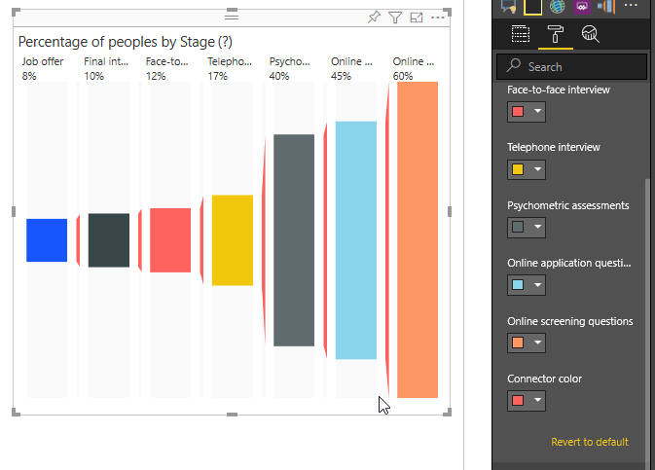 | 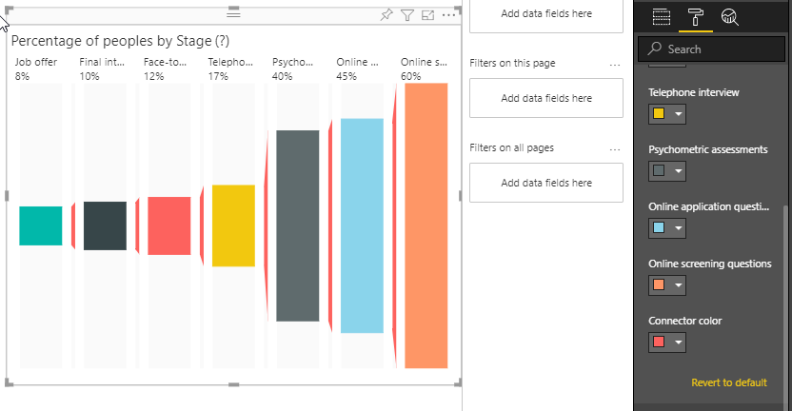 | 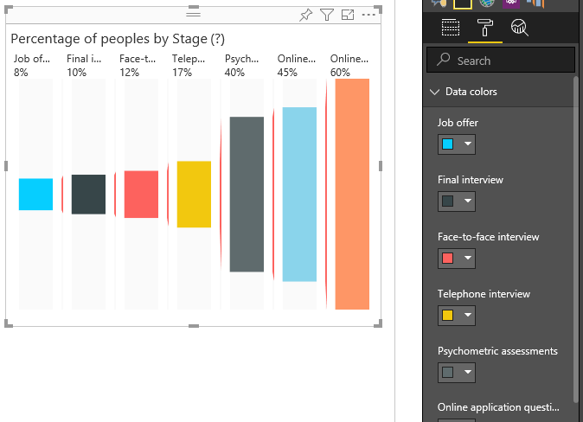
3 | Data labels | Update color of labels | 1. Go to formatting pane 2. Go to Data labels 3. Update data label color to 'Red' | Color of all the labels should be updated to 'Red' color | 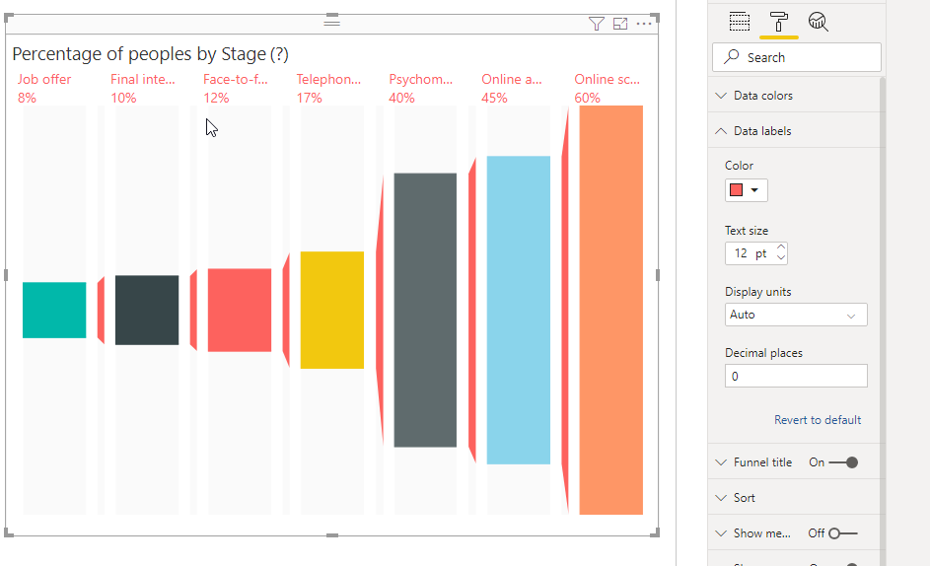 | 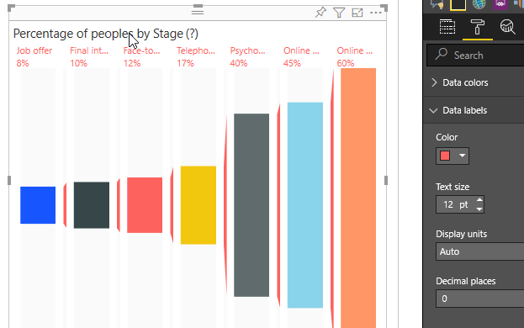 | 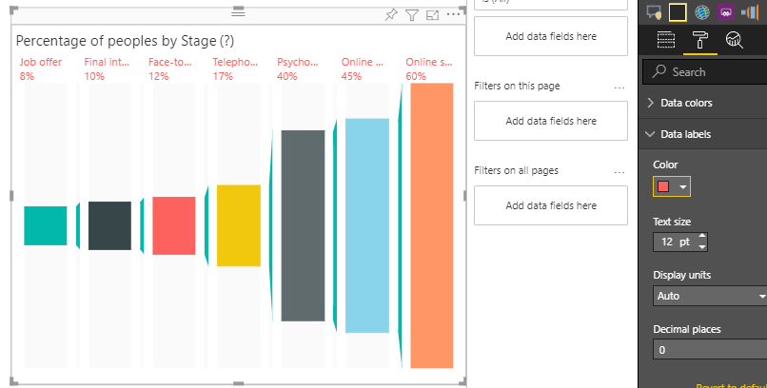 | 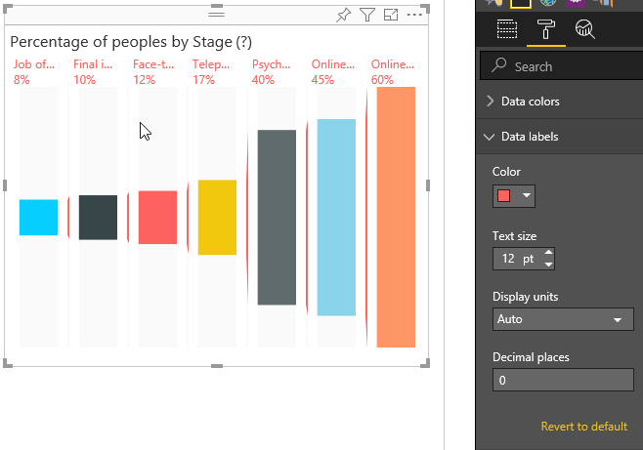
 |  | Update Display Units and Decimal Places | 1. Go to formatting pane 2. Go to Data labels 3. Update the Display units value to Billions 4. Update the Decimal places value to 2 | Text will be formatted in Billions | 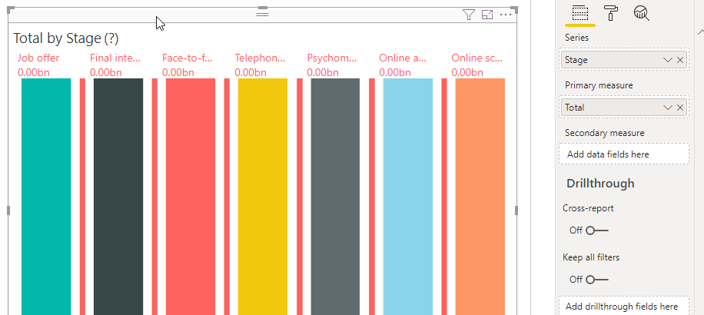 | 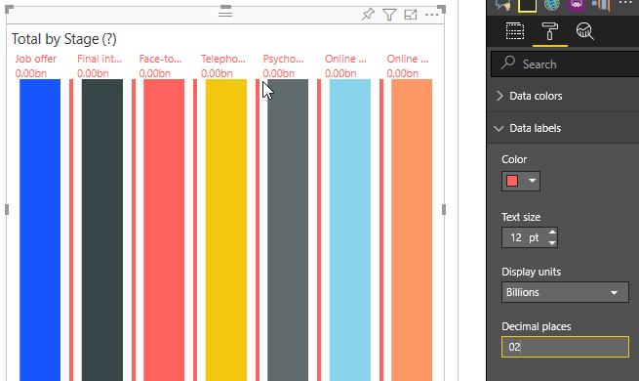 | 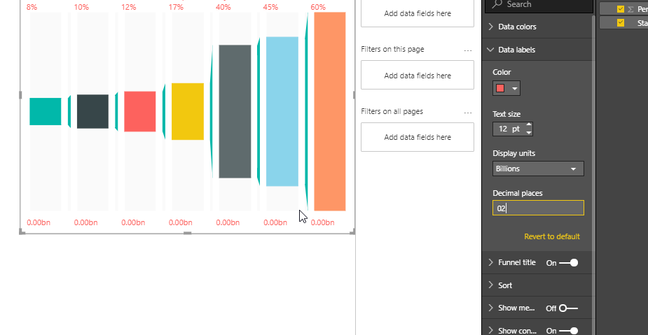 | 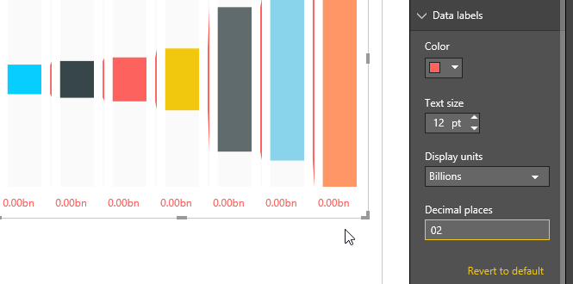
 |  | Update Text size | 1. Go to formatting pane 2. Go to Data labels 3. Update the label text size value to 30 | Text size of labels should increase | YES | YES | YES | YES
4 | Funnel Title | Update the visual to hide the funnel title | 1. Go to formatting pane 2. Go to Funnel Title 3. Change the funnel title show button to 'OFF' | Funnel title should not be displayed in the visual | YES | YES | YES | YES
 |  | Update title text of funnel title | 1. Go to formatting pane 2. Go to Funnel Title 3. Update the title text to 'Title Text' | Title should be changed to 'Title Text' | YES | YES | YES | YES
 |  | Update tooltip text of funnel title | 1. Go to formatting pane 2. Go to Funnel Title 3. Update the tooltip text to 'Tooltip Text' | Tooltip should be changed to 'Tooltip Text' |  | YES | YES | YES
 |  | Update font color of funnel title | 1. Go to formatting pane 2. Go to Funnel Title 3. Update the Font color to 'Blue' | Font color of title should be updated to 'Blue' | YES | YES | YES | YES
 |  | Update background color of funnel title | 1. Go to formatting pane 2. Go to Funnel Title 3. Update the Background color to 'Red' | Background color of title region should be updated to 'Red' | YES | YES | YES | YES
 |  | Update text size of funnel title | 1. Go to formatting pane 2. Go to Funnel Title 3. Update the text size to 30 | Text size of title should be updated to 30 | YES | YES | YES | YES
5 | Sort | Update Sort by and Order by | 1. Go to formatting pane 2. Go to Sort 3. Update the Sort By value to 'Series' 4. Update the Order By value to 'Descending' | 1. Bars and labels should be sorted based on series (descending order) 2. Colors of the bars should be retained after sorting | 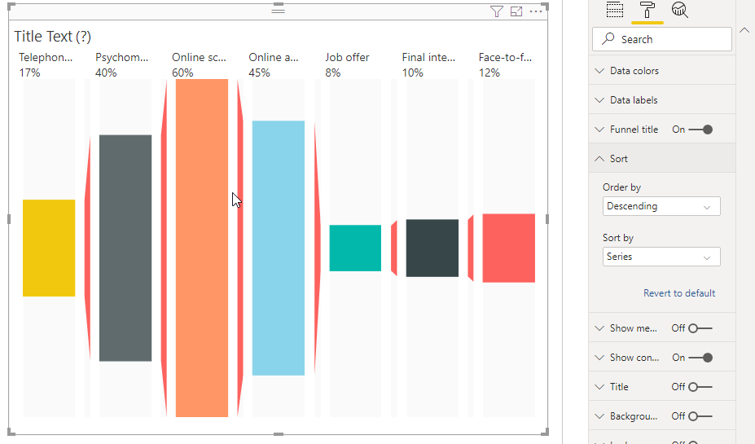 | 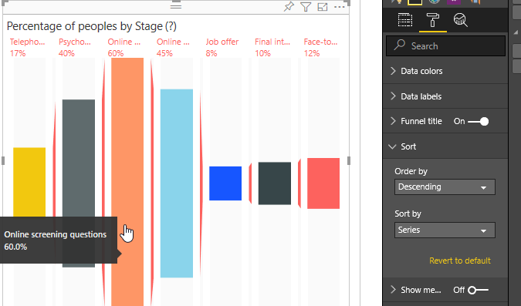 | 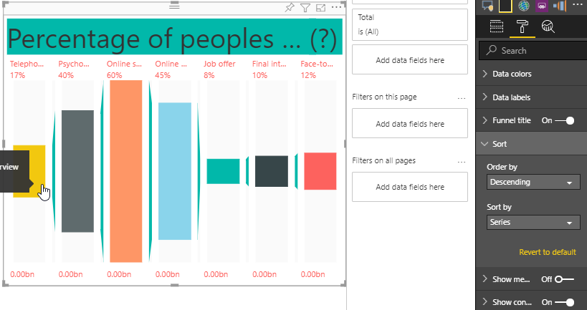 | 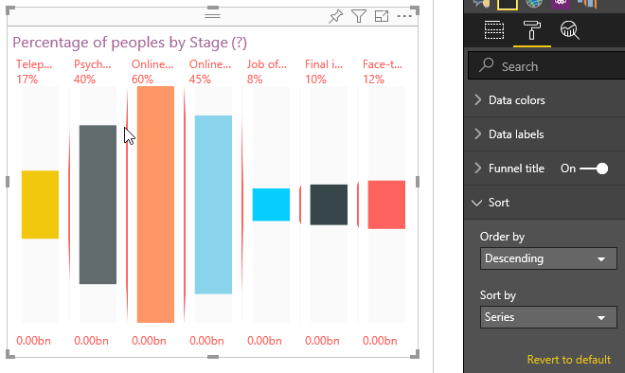
6 | Show Connectors | Update the visual to hide connectors | 1. Go to formatting pane 2. Go to Show Connectors 3. Update the show connectors button to 'OFF' | Connectors should not be displayed in the visual | YES | YES | YES | YES
7 | Label Tooltips | Check whether the values of primary and secondary measures on tooltips are same as actual data | 1. In the visual go to the first primary measure data label 2. Hover over that data label | The value displayed on the tooltip should be same as actual data i.e.No formatting should be applied to the tooltip data
8 | Bar Tooltips | Check whether bar tooltips are visible | 1. In the visual go to the first color bar 2. Hover over that bar | 1. The value displayed on the tooltip should be same as actual data 2. Tooltips should have both series and primary measure values | 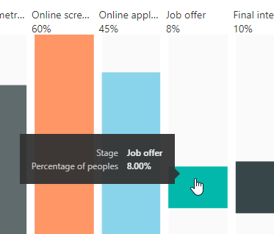 | 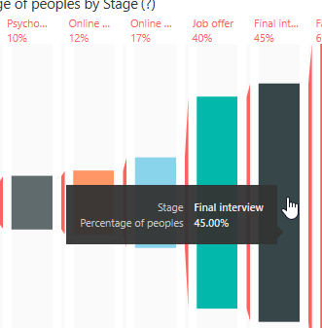 | 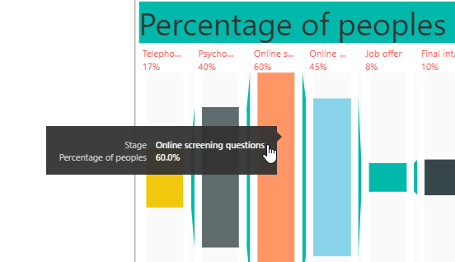 | 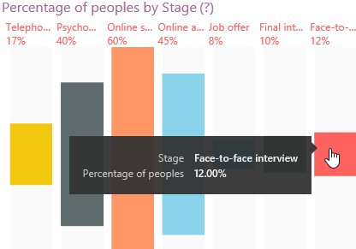
9 | Bookmarks | Check whether bookmark feature works | 1. Go to View -> tick the Bookmarks Pane 2. In the Visual, perform some selection & filtering too if needed 3. In the Bookmarks Pane, add a new entry and save this selection state using 'update' 4. Change selections and filtering, and then click on the saved bookmarks | 1. Bookmarks Pane will be visible on the right side 2. In the Bookmarks Pane, a new entry is added with saved selection state 3. On clicking the bookmark, the selection state with filtering is restored and visual is rendered accordingly | YES | YES | YES | YES
10 | Drillthrough | Created custom menu to drill through from one visual to another. | 1.Generate a chart with some data 2.Create new report page and in DrillThrough add the fields for drillthrough. 3. Right click on the chart, select the Drillthrough option from the menu. | 1. On right click of the chart and selecting the drillthrough option from the context-menu , the report will drillthrough to the newly created report page. | 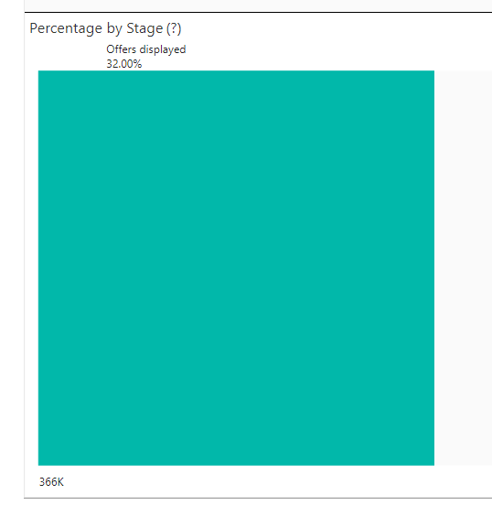 |  | 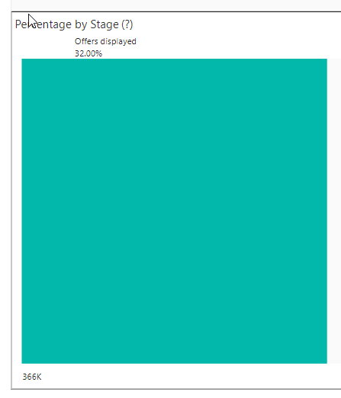 | 